Payroll Dates
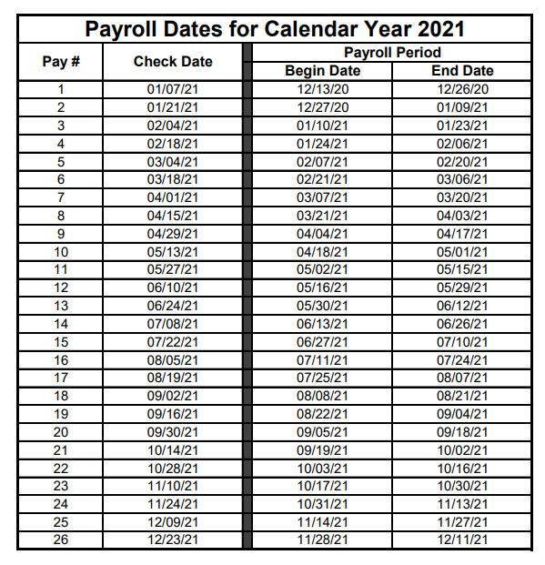
2020-12-13
2020-12-27
2021-01-10
2021-01-24
2021-02-07
2021-02-21
2021-03-07
2021-03-21
2021-04-04
2021-04-18
2021-05-02
2021-05-16
2021-05-30
2021-06-13
2021-06-27
2021-07-11
2021-07-25
2021-08-08
2021-08-22
2021-09-05
2021-09-19
2021-10-03
2021-10-17
2021-10-31
2021-11-14
2021-11-28
2021-12-12
2021-12-26
2022-01-09

